Sheet1
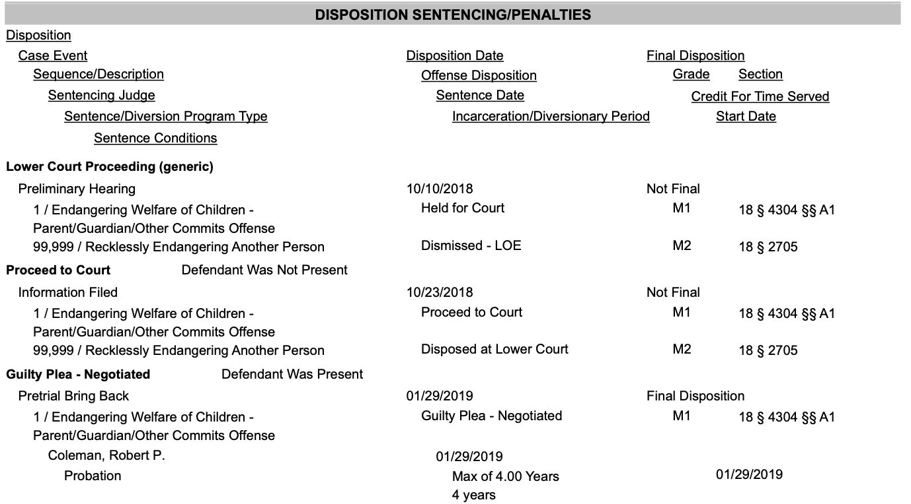
 | Available from New Criminal Filings | Available from Docket | Location in Docket | Available in Court Summary | Context/Notes | Should be present on daily/weekly reports to PBF | Should be present in Database | Changes over time
Name | y | y | Found in top heading of PDF, Commonwealth of Pennsylvania v. $name | y |  | y | y | n
Age | y | n |  | n |  | y | y | n
Address | y | y | Defendant Information -> City/State/Zip | y |  | y | y | n
Docket Number | y | y | In bold at the top right - Docket Number: | y |  | y | y | n
Filing Date | y | y | Case Information -> Date Filed | n |  | y | y | n
Charge | y | y | Two places, "Charges" and "Disposition Sentencing/Penalties" | y | The New Criminal Filings site only lists the top charge, but the docket has all of them. Should prefer the docket in this case. See figure A for more context | y | y | n
Represented By | y | y | Attorney Information -> Name | n | The information found in the docket is preferable. There are two pieces of information, both under name. See figure B | y | y | n
Bail Status | y | y | Bail Information -> Bail Action | n |  | y | n | NA
Bail Type | y | y | Bail Information -> Bail Type | n |  | y | y | NA
Bail Amount | y | y | Bail Information -> Amount | n |  | y | y | NA
Outstanding Bail Amount | y | n |  | n |  | y | n | NA
In Custody | y | n |  | n |  | y | n | NA
Date of Birth | n | y | Defendant Information -> Date of Birth | y |  | y | y | NA
Arresting Officer | n | y | Case Information -> Arresting Officer | n |  | n | y | n
Preliminary Arraignment | n | y | Calendar Events -> Preliminary Arrignment -> Schedule Start Date | n | See Figure C | n | y | n
Arrest Date | n | y | Status Information -> Arrest Date | n |  | n | y | n
Magistrate Name | n | y | Entries -> Sequence Number -> Bail Set -> Filed By | n | See Figure D | n | y | n
Sex | n | n |  | y |  | y | y | n
Race | n | n |  | y |  | y | y | n
Case Status | n | n | Status Information -> Case Status | n |  | n | y | y
Common Pleas Docket | n | y | Case Information -> Cross Court Docket Nos | n | This will only be found on specific cases -- those which proceed to trial. If this field is present, the Case Status will be Closed. Not all cases in closed status will have this field. Just the ones that go to trial. | n | y | y
Final Disposition | n | y | Disposition Sentencing/Penalties -> Offense Disposition | n | This will only be found on Common Pleas (CP) dockets where the status is Closed. See figure E | n | y | y
Final Disposition Date | n | y | Disposition Sentencing/Penalties -> Sentence Date | n | This will only be found on Common Pleas (CP) dockets where the status is Closed. See figure E | n | y | y
Final Disposition Duration | n | y | Disposition Sentencing/Penalties -> Incarceration/Diversionary Period | n | This will only be found on Common Pleas (CP) dockets where the status is Closed. See figure E | n | y | y

 |  |  |  | Figure A
 |  | These are the two places that charges can be found in a docket (example from MC-51-CR-0012099-2020)
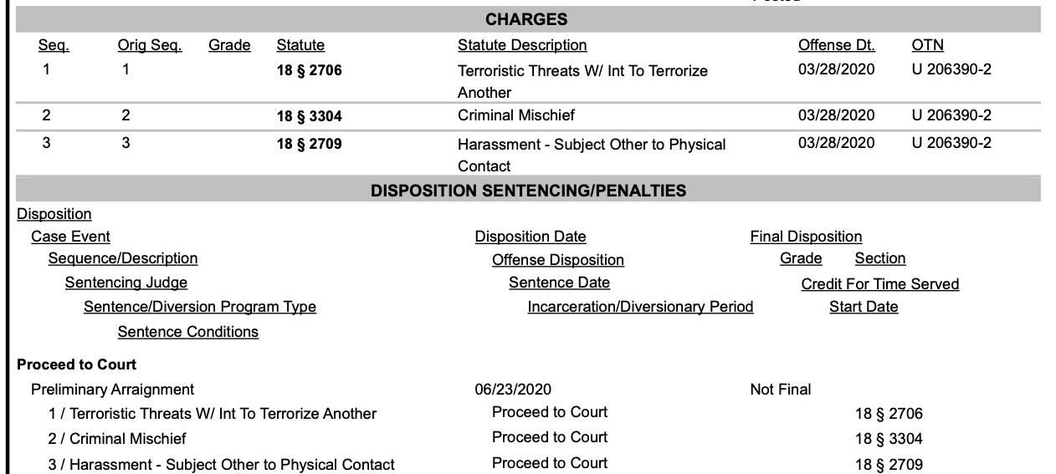

 |  |  |  | Figure B
 |  |  | These are the two pieces of information we want from Attorney Information. It is the name of the defense attorney/organization, as well as an additoinal note (public defender, court appointed, etc)

 |  | Example (MC-51-CR-0012127-2020) |  |  |  | Example (MC-51-CR-0012095-2020)
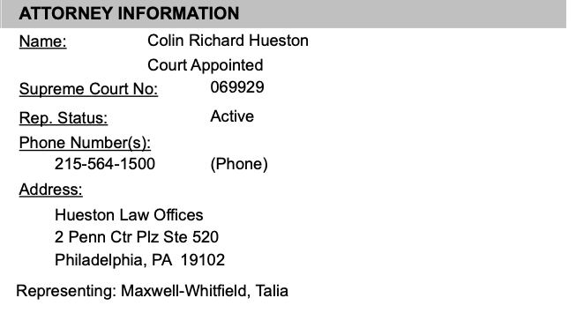
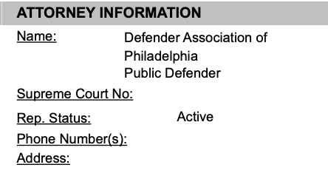

 |  |  |  | Figure C
 |  |  | This shows the preliminary arraignment date

 |  |  |  | Figure D
 |  |  | This shows the location of the Magistrate name

 |  |  |  | Figure E
 |  |  | Showing the location of Final Disposition, Sentence Date, and Incarceration/Diversionary Period (example CP-51-CR-0007290-2018)

